Energy_item
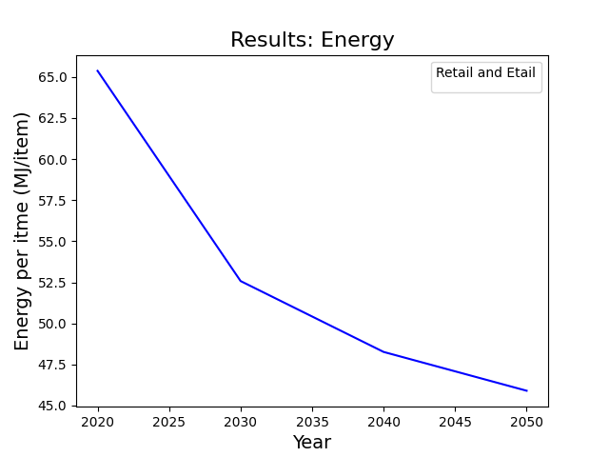
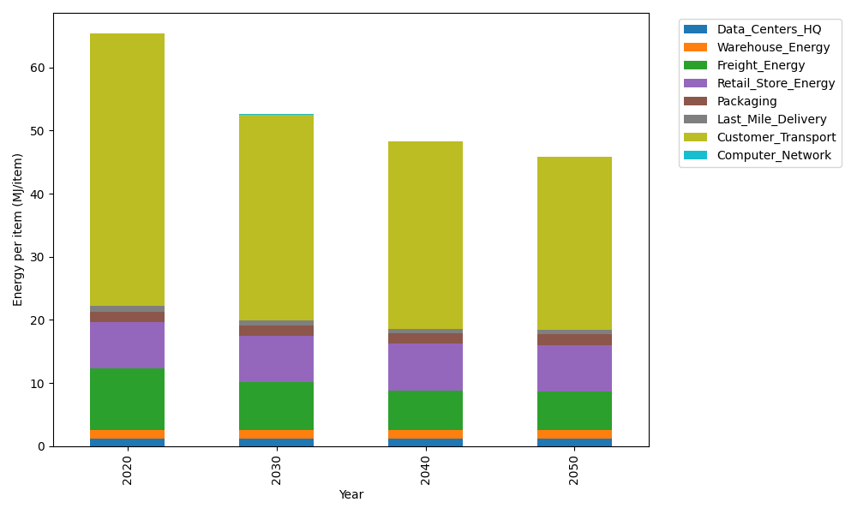
Years | Data_Centers_HQ | Warehouse_Energy | Freight_Energy | Retail_Store_Energy | Packaging | Last_Mile_Delivery | Customer_Transport | Computer_Network | Total
2020 | 1.2374141979 | 1.3410488455 | 9.7425666308 | 7.3100139929 | 1.6916682183 | 0.94972907584 | 43.056185719 | 0.042881298171 | 65.371507978
2030 | 1.2352718172 | 1.3271161228 | 7.5193482209 | 7.4274928124 | 1.6409622826 | 0.75287355796 | 32.635032335 | 0.038322286335 | 52.576419435
2040 | 1.2350053479 | 1.3253831714 | 6.2464837042 | 7.4421048224 | 1.6346554807 | 0.69781659814 | 29.642523744 | 0.037755236657 | 48.261728106
2050 | 1.2351847631 | 1.3265499769 | 6.0447438905 | 7.4322664771 | 1.6389018846 | 0.69821234066 | 27.486133186 | 0.038137034271 | 45.900129553

CO2_item
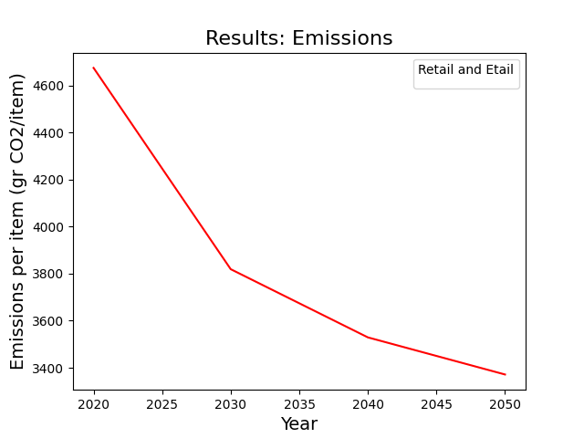
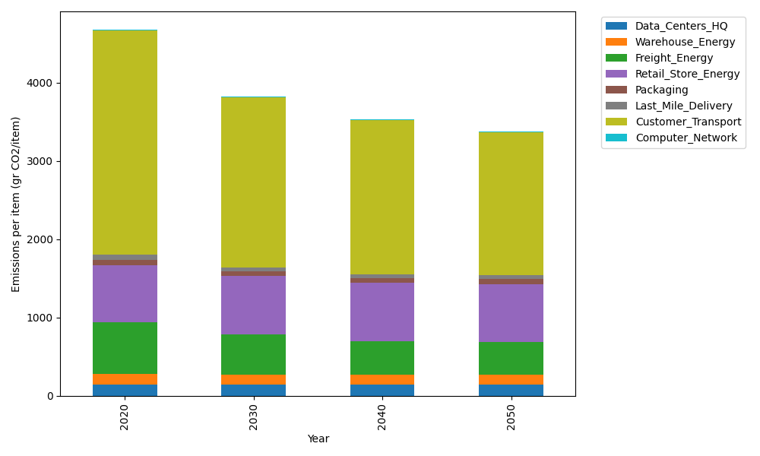
Years | Data_Centers_HQ | Warehouse_Energy | Freight_Energy | Retail_Store_Energy | Packaging | Last_Mile_Delivery | Customer_Transport | Computer_Network | Total
2020 | 140.14711191 | 133.87537195 | 668.00323598 | 728.99305529 | 65.522142061 | 65.192374482 | 2865.1422497 | 7.2330803936 | 4674.1086218
2030 | 139.8644399 | 132.47832755 | 515.47505344 | 740.70866125 | 60.468748115 | 51.679595978 | 2171.6742531 | 6.4640808406 | 3818.8131602
2040 | 139.82928117 | 132.30456323 | 428.11166205 | 742.16584777 | 59.840207213 | 47.90031404 | 1972.5399673 | 6.3684327123 | 3529.0602754
2050 | 139.85295373 | 132.42155968 | 414.25687007 | 741.18471621 | 60.2634072 | 47.927479045 | 1829.0445416 | 6.4328331142 | 3371.3843607

